Sheet1
Scene No. | 1
Quest Title | 沼泽怪谈
Quest Log | 回复阿历克斯
Map No. | 71
 | 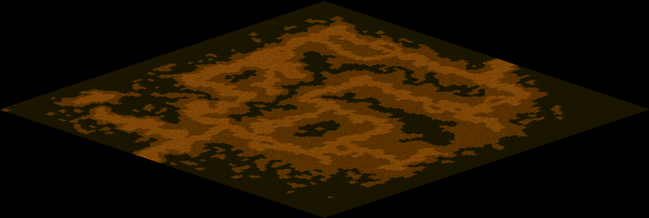
NPC No.
Condition
Dialog
Select
Result

ScriptFile

